Table 5
3 ” (Finished)

Table 6
Buyer: PRL Technical Sheet - Pre run Style:710B22588 Season : PF 26 CU BD PPC SPT Fit: New Custom Order No: PRLS/25- 12737, 12733, 12734, 12736, 12732 Washing: As approved Pressing: Semi crisp
Special Instructions : Button Stitch Cross 8X8, SPI 18. |  |  |  |  |  | Modified On:20th-Dec-2025 Modified By : John
COLLAR 3/8” 1/4” as per 17L - button pattern 2 7/8” 1 7/8” Collar Attach join stitch 1 mm 2 cm from end both sides Blade Size 7/16” 1 11/32” Stitches/ B Hole 151 11/16” 9/16” 6mm Collar run Btn Dwn Placement 3/16” * Pick attach to be revers side top neck Band to be fused 1/2 *Self fab with Ft600 lining required for btn down 1 5/16” 1 5/16” 2 1/16” 2 1/16” Btn Down B/H SPI-125 3" BD Blade size - 5/16" BD Btn size - 13L
ASSEMBLY
 | Shoulder 1 mm Top Slv set ½” Gauge DN Slv Top 1/2” Stitch SN |  |  | 1 ½” Stitch CS Bottom 3/16” hem SNLS LS 1 1/4” 1-5mm 6 ½” m slv side like jeager) 5”
 |  | French Fell 2-4mm (Side seam stating fr
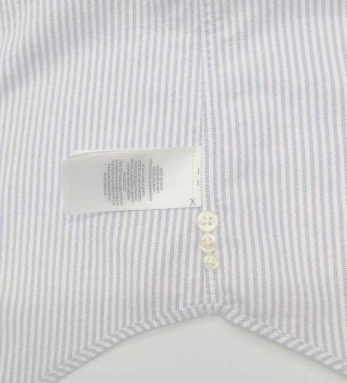 Left stitch on back right on frt 2 ½” 1 7/8 ” ½” Pleat 17L btn 1/2 from 15L button depth - 1/2" 15L btn 1/2 frm 13L button 13L btn 1/2 from W/C * Before Sleeve placket attaching both side Sleeves , Do 5mm bite Over lock *Wearer’s left side seam 2” frm bottom hem * Before cuff attaching V Patch(11/16") @ front plkt both side Sleeves , Do 8mm bite Over lock
Interlining Collar Skin- T60 Cuﬀ - S64 Neck Band - P37 Front Placket- T88MS |  |  | Button( ****) Front : 6, 17L N Band : 1, 17L Cuﬀ : 1+1, 17L Slv Plkt : 1+1, 15L Spare : 1-17L, 1-15L,1- 13L Collar points:1+1,13L |  | Button shanking S/B 2mm

